TC1_Exam Declaration
Test Case ID | TC1_Examinations Masters |  | Test Case Description | Test Examination Declaration Module
Created By | Swagatika Mohapatra |  | Reviewed By

S# | Pre-requisite |  |  | S# | Test Data
1 | User should be able to login to WSC . |  |  |  | User Id:-Administrator Pwd:-wsc@123
 | Different user credentials should be used :- Admin,Instructor,Student
 | URL- https://soulwsc.eduleadonline.com -------------------------------------------------------- SLCM Admin Id-eduadmin@gmail.com Password-admin@123 Tainer Credentials:- Id - adi.sharma@gmail.com Pass-wsc@123 Student Credentials:- Id - abhishek.adhikari@soulunileaders.com Pass - wsc@123 -------------------------------- Exam Paper Setting -------------------------------- Moderator Credentials:- Id - kushal@gmail.com Pass- wsc@123 Exam Coordinator- Id-satya@gmail.com Pass-wsc@123
Test Scenario

Step No. | Step Description | Test Data | Expected Result | Actual Results | Pass/Fail/Not Executed/Suspended | Comment
 | Home > Examination > Examination > Exam Declaration
Step 1 | Click on Home > Examination > Examination Master > Exam Declaration. |  | Exam Declaration page opens up. |  | Pass
Step 2 | Click on "+ ADD EXAM DECLARATION" button on the top right corner. |  | New Exam Declaration page opens up. |  | Pass
Step 3 | Enter Exam Type,Academic Year,Exam Name,Academic Term,Exam Category,Exam Start Date,Exam End Date,Block List Display Date,Program Grade,Exam Program.Click on SAVE. |  | New Exam Declaration is saved.And the details of the New Exam page opens up. |  | Pass
Step 4 | Do not enter mandatory fields.Click on SAVE. |  | The error message is shown. |  | Pass
Step 5 | In the Semesters table add Sl No.,Semester and click on Save. |  | The data in the "Semester" table is saved successfully. |  | Pass | The semesters are not shown in The semester initially once added it is shown.
Step 6 | In the Module table add Sl No.,Module,Module Name,Semester,Examination Start date and click on Save. |  | Pass |  | Pass
Step 7 | Click on Get courses and it will let the user to add Courses in the "Courses offered",Semester and click on Save. |  |  |  | For eduadmin@gmail.com the
Step 8 | Enter No,Courses,Course Name,Course Code,Semester,Examination Date,From Time,To Time,Total Duration(in Hours).
Step 9 | Do not enter mandatory fields.Click on SAVE. |  | The error message is shown.
Step 10 | Enter Exam Start Date greater than Exam End Date. |  | The error message is shown.
Step 11 | Enter data in Eligibility Details Minimum Attendance Criteria.
Step 12 | Click on Get Students and enter data in Total Enrolled Student and enter data in Students table(No,Student,Student Name,Roll No).
Step 13 | Enter data in Fees Status.
Step 14 | Enter data in Exam fees section by adding Yes/No in the Exam Fees Applicable .
Step 15 | Enter data in Fee Structure (No,Student Category,Fee Structure,Amount,Due Date).Click on Save . |  | The data in the "Fee Structure" table is saved successfully.
Step 16 | Click on Edit Row.Enter data in Editing Row message box.
Step 17 | Enter data in Editing Row message box. -Grade Code -Grade Point -Threshold -Result -Grade Description
Step 18 | Click on "Insert Below". |  | The row will be inserted below.
Step 19 | Click on "Insert Above". |  | The row will be inserted above.
Step 20 | Click on "Duplicate". |  | The duplicate row will be created.
Step 21 | Click on Move. |  | It will move the row.
Step 22 | Enter "Move to Row Number" text box .Click on "UPDATE". |  | It will move the row to the specified row no.
Step 23 | Click on Configure Columns in Table. |  | The configure message box is shown.
Step 24 | Specify the Filed name,Column width and Add/Remove column or delete.Click on Update.
Step 25 | Click on Reset to Default.
Step 26 | Click on Check box of the rows and Click on "Delete " button.
Step 27 | Click on Home > Examination > Examination Master > Exam Declaration.
Step 28 | Click on one of the record from the List of Exam Declaration.
Step 29 | In the Exam declaration page Click on Create button on the left corner tab. |  | The below link can be seen. -Exam Assessment Plan -Student Group -Student Admit Card
Step 30 | Click on the Exam Assessment Plan. |  | A ne Exam Evaluation Plan page is shown.
Step 31 | Click on the Student Group. |  | A new Student Group page is open.
Step 32 | Click on the Student Admit Card. |  | The below message will be shown. Message Admit Card STU-ADM-00010 is created successfully. Admit Card STU-ADM-00011 is created successfully.
Step 33 | Put tick on check box "Group Email".
Step 34 | Uncheck box "Group Email".
Step 35 | Check the Examination Start Date and Examination End Date in "Module Offered" is in between Exam Start Date and Exam End Date.
ROLES | ROLES
 | Login As Admin |  | The Admin can only Read, Write,Create,Delete.For Admin the Submit ,Cancel, Amend is N/A.
 | Login as Instructor |  | The Instructor can only Read and Can not Write/Create.For the Instructor Submit ,Cancel, Amend is N/A.
 | Login as Student |  | The Student can only Read and Can not Write/Create.For the Student Submit ,Cancel, Amend is N/A.

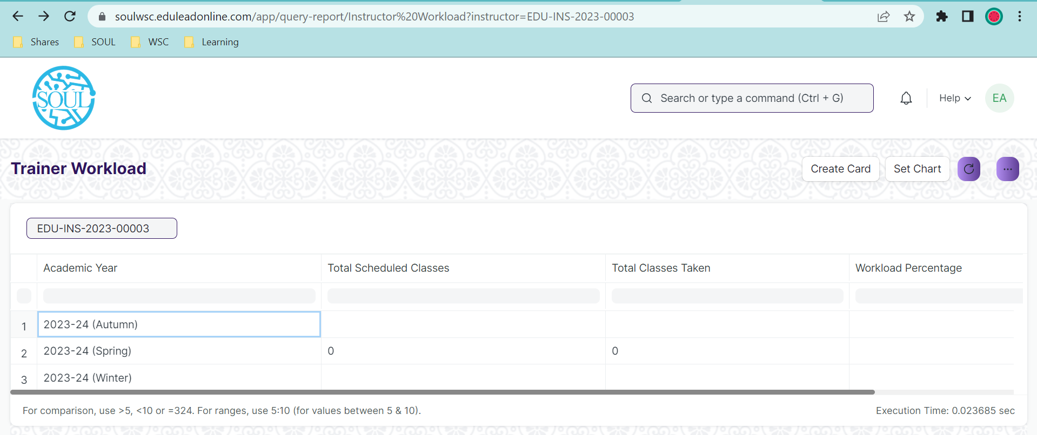
 | Login as Trainer . |  | In Trainer workload page the "Set chart" and " Create Card " are not working fine.

